Chap 14#5 a,b,c,d
Retirement planning
 | Investment
 | Mean | 0.12
 | SD | 0.02

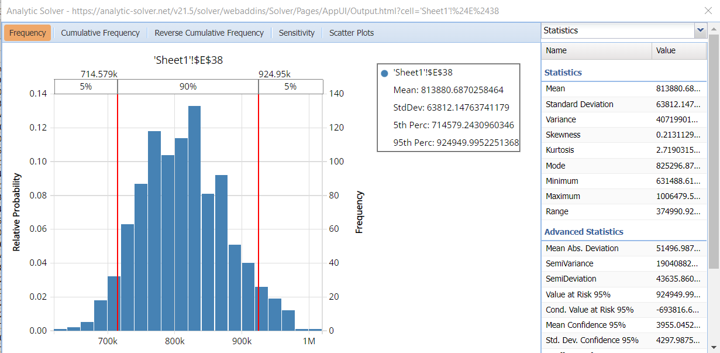
 | Age | Investment | Return Rate | Accumulated amount
 | 30
 | 31
 | 32
 | 33
 | 34
 | 35
 | 36
 | 37
 | 38
 | 39
 | 40
 | 41
 | 42
 | 43
 | 44
 | 45
 | 46
 | 47
 | 48
 | 49
 | 50
 | 51
 | 52
 | 53
 | 54
 | 55
 | 56
 | 57
 | 58
 | 59
 | 60
a. Thus from the above graph we can see that the answer for part a. is $813880
B. As seen in the graph, The probability of more than $1 million is 0.46 by the age of 60.

C. If we keep in iterating the above columns and increase the value by $100, the value at which minimum Mean is $1 million is at the investment of $3700 per year.
D. For a chance of the returns be $1 million is 90%, he should invest atleast $4100, it is done same as part c, iterating the columns till getting the mean value as $1 million.

Chap 14#13 a,b,c
Value of a customer
Value of retention
Discount for NPV | 0.1

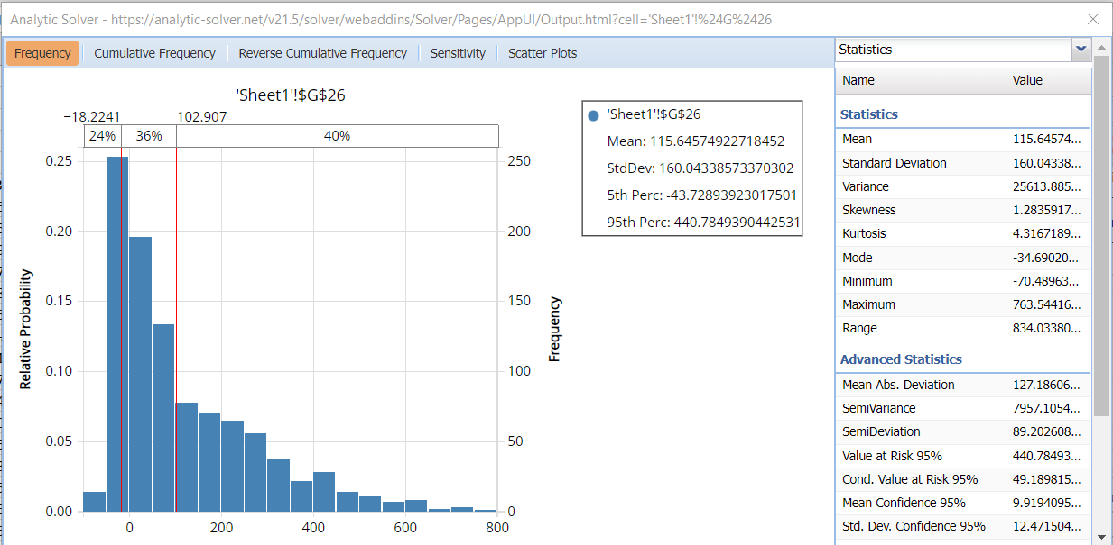
Year | Mean Profit | SD | Profit | Customer Retained(0/1) | Years Retained | Total Profit
1 | -40 | 10 |  | 1 | 1
2 | 66 | 16.5
3 | 72 | 18
4 | 79 | 19.75
5 | 87 | 21.75
6 | 92 | 23
7 | 96 | 24
8 | 99 | 24.75
9 | 103 | 25.75
10 | 106 | 26.5
11 | 111 | 27.75
12 | 116 | 29
13 | 120 | 30
14 | 124 | 31
15 | 130 | 32.5
16 | 137 | 34.25
17 | 142 | 35.5
18 | 148 | 37
19 | 155 | 38.75
20 | 161 | 40.25
 |  |  |  |  | NPV

A. The average npv from a customer is $115.
Retention rate vs Average NPV
 |  |  |  | C. For the sketch,
 |  |  |  | Retention rate | Average NPV
 |  |  |  | 0.8 | $115
B. The probability that the NPV for a given customer will exceed $100 is 0.36.
 |  |  |  | 0.85 | $182
 |  |  |  | 0.9 | $269
 |  |  |  | 0.95 | $358

C. Therefore from the graph, we can see that as the retention rate increaces, the average NPV also increases.

